Reduce Assembly Hours
 |  |  |  | A3 Report
<-----------------------------------------------Plan---------------------------------------> |  |  |  |  | <------------------------------------------Do, Check, Act--------------------------------------->
Project Theme | Improve Plant Perfromance - Improve Productivity in Die Assembly |  |  |  | Problem Owner-Team | Karn
182 Builds
8439-01 | 777.01
8439-02 | 819.89
8439-03 | 699.87
8440-01 | 763.36
8460-01 | 687
8502-01 | 850.46
8463-01 | 531.7
Problem Statement | Current time to produce a die (~1100 hours) has a great deal of waste. Toolmakers often wait for materials and/or do workarounds to keep progressing |  |  |  | Coach | Karn & Lonnie |  |  |  | Last update 9/24/2015
Background |  | Information why this project was chosen, how it fits with Corp/Plant needs |  |  | Countermeasures/Implementation Plan |  | Must address impediments to Target, what will we do now
182 Die Build Hours (BEFORE KITTING)
8270-03 | 806.53
8270-05 | 969.94
8361-01 | 1054.87
8361-02 | 967.43
8361-03 | 713.42
8361-04 | 1116.85
8433-01 | 895.77
8439-01 | 777.01
8439-02 | 819.89
8439-03 | 699.87
Dies vary in hours of assembly (+- 200 hrs), there are regularly work arounds being done due to material not arriving on time and not being available at the job site. The average die takes around 1100hrs to assemble (with Teardown). The A3 on MILESTONES (completed in June) will allow the material to arrive on time. The focus of this A3 is to reduce the constraints in the system that is inflating the hours of assembling a die. The graph on the right shows assembly hours for all operations that occur within the TOOLROOM. Teardown NO LONGER occurs within the TOOLROOM, this task is estimated to be 175hours. The actual average BEFORE kitting for these 10 dies is 882 hours (as of 7/20/15). |  |  |  |  | Improvement Activity |  |  | Responsible Teammate | Due Date | % Complete

 |  |  |  |  | 1a- Hire a kitter |  |  | Richard | Aug-10
 |  |  |  |  | 1b- Write job process then map it out |  |  | Karn | Aug-07 | 100.0%
 |  |  |  |  | 1c- Create break-in plan and administer |  |  | Karn | Aug-12 | N/A
 |  |  |  |  | 2a- Create a floor plan of kitting areas and 5S area |  |  | Karn | Aug-07 | 100.0%
 |  |  |  |  | 2b-Design bin and racking system |  |  | Karn | Oct-02 | 100.0%
 |  |  |  |  | Create parts inventory using future job BOMs |  |  | Karn | Aug-21 | 100.0%
 |  |  |  |  | Create a PFEP |  |  | Karn | Sep-04 | 75.0%
 |  |  |  |  | Design racking system for stock items |  |  | Karn | Sep-11 | 100.0%
Current Condition |  | Explain the "is" state, use data and graphs |  |  | Design racking system for non stock items |  |  | Karn | Sep-11 | 100.0%
Material is all over the place |  |  | 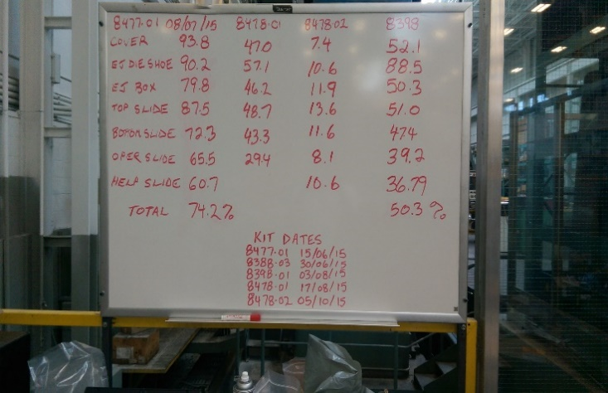 |  | Develop replenishment system for stock items |  |  | Karn | Sep-25 | 75.0%
Toolmakers chase down material |  |  |  |  | Create a procedure with Purchasing on how to manage BOMs effectively |  |  | Karn | Oct-02
Assembly time is inflated due to non-value added tasks |  |  |  |  | 2c- Create standard kit layout for each build |  |  | Karn | Sep-04
The average die takes 882hrs to assemble |  |  |  |  | Kit Layout inside the bin |  |  | Karn | Aug-28
 |  |  |  |  | Kit layout outside the bin |  |  | Karn | Sep-04
 |  |  |  |  | 3- Development of standard Toolroom cell layout |  |  | Karn/Jay | Oct-02
 |  |  |  |  | Design Toolroom Cell layout |  |  | Karn/Jay | Sep-18
 |  |  |  |  | Implement Prototype cell |  |  | Karn/Fred | Sep-25
 |  |  |  |  | Finalize layout |  |  | Karn/Fred | Oct-02

182 Die Build Hours- Kitting Impact (DEC 2013 to OCT 2015)
8270-03 | 806.53
8270-05 | 969.94
8361-01 | 1054.87
8361-02 | 967.43
8361-03 | 713.42
8361-04 | 1116.85
8433-01 | 895.77
8439-01 | 777.01
8439-02 | 819.89
8439-03 | 699.87
8440-01 | 763.36
8460-01 | 687
8463-01 | 531.7
8502-01 | 850.46
Target Condition |  | Explain the "desired" state include both results and means |  |  | Effect Confirmation
1- To have all materials handled by a kitter 2-To bring all the parts to the worksite, so the toolmaker doesn't have to chase them down 3-Reduce the assembly time to less than 750 4- To have documented, standardized procedures |  |  |  |  | 1. The goal is to reduce die build to 750hrs or less (20% reduction) 2. The base data showed an average of 882 hours per build for the last 10 dies 3.The first four dies have averaged 708 hours AND the kitting process is still being developed and is not yet standardized

Impediments to Target Condition |  | Answer to question 3, what's preventing us from attaining "desired state" |  |  | Follow up Actions
1a-Don't have a kitter |  |  |  |  | 1- Follow up on the standardization
1b- Don't have a job process |  |  |  |  | 2- Hire a Kitter and train him/her
2a- Don't have a layout of kitting areas |  |  |  |  | 3-
2b- Don't have a racking area to hold stock and non stock parts |  |  |  |  | 4-
2c- Don't have organization standard for kitting bin |  |  |  |  | 5-
3- Keeping Toolmakers within their cell/workstation |  |  |  |  | 6-

